Sheet1
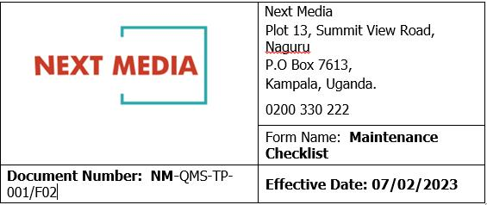 FALSE

 | Date: 12th/11/2024
 | CCTV CHECKLIST
 | OLD TOWER
 | DATE:12/11/2024
NO | CAMERA NAMES | IP ADDRESS | ONLINE | OFFLINE
 | NEWSROOM
1 | NEWSROOM 1 | 192.168.1.78 | ü
2 | NEWSROOM 2 | 192.168.1.3 | ü
3 | NEWSROOM 3 | 192.168.1.238 | ü
4 | NEWSROOM 4 | 192.168.1.94 | ü
5 | STORE PATHWAY | 192.168.1.122 | ü

 | PRODUCTION
6 | BROADCAST CENTER RECEPTION | 192.168.1.155 | ü
7 | PRODUCTION 1 | 192.168.1.6 | ü
8 | PRODUCTION 2 | 192.168.1.196 | ü
9 | PRODUCTION 3 | 192.168.1.79 | ü
10 | THIRD FLOOR BOARDROOM | 192.168.1.128 | ü
11 | ARCHIVES | 192.168.1.217 | ü

 | PROGRAMMING
12 | PROGRAMMING CORRIDOR | 192.168.1.213 | ü
13 | PROGRAMMING OFFICE | 192.168.1.208 | ü
14 | BROADCAST CENTER STAIRS | 192.168.1.204 | ü
15 | SANYUKA STUDIO | 192.168.1.200 | ü
16 | CURRENT AFFAIRS STUDIO2 | 192.168.1.183 | ü
17 | SPORTS STUDIO | 192.168.1.186 | ü
18 | PULSE STUDIO BACKUP STUDIO | 192.168.1.206 | ü
19 | NXT RADIO STUDIO | 192.168.1.116 | ü
20 | GUEST LOUNGE RECEPTION | 192.168.1.225 | ü
21 | CURRENT AFFAIRS STUDIO1 | 192.168.1.249 | ü

 | Prepared by: Hillary
 | Approved by:

